HNGJUN27IF
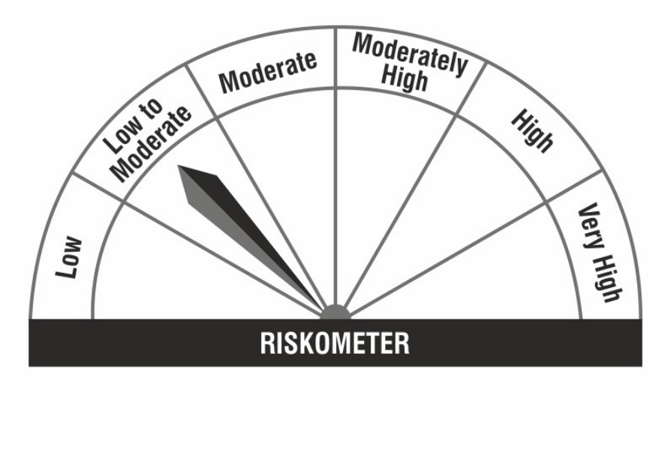
HDFC Nifty G-Sec Jun 2027 Index Fund (An open ended target maturity scheme replicating/tracking Nifty G- Sec Jun 2027 Index. A Relatively High Interest Rate Risk and Relatively Low Credit Risk) |  |  |  |  |  |  |  |  |  | Income | Hybrid
Portfolio as on 31-Jan-2024

 | ISIN | Coupon (%) | Name Of the Instrument | Industry+ /Rating | Quantity | Market/ Fair Value (Rs. in Lacs.) | % to NAV | Yield | ~YTC (AT1/Tier 2 bonds)
 | DEBT INSTRUMENTS
 | (a) Listed / awaiting listing on Stock Exchanges
 | Government Securities (Central/State)
| | IN0020220037 | 7.38 | 7.38% GOI MAT 200627 | Sovereign | 56,582,100 | 57,158.84 | 76.82 | 7.1563
| | IN0020170026 | 6.79 | 6.79% GOI MAT 150527 | Sovereign | 15,343,500 | 15,220.74 | 20.46 | 7.1866
| | IN0020060078 | 8.24 | 8.24% GOI MAT 150227 | Sovereign | 500,000 | 515.80 | 0.69 | 7.1892
| | IN0020210186 | 5.74 | 5.74% GOI MAT 151126 | Sovereign | 144,500 | 139.85 | 0.19 | 7.1496
 | Sub Total |  |  |  |  | 73,035.23 | 98.16
 | Total |  |  |  |  | 73,035.23 | 98.16
 | MONEY MARKET INSTRUMENTS
 | TREPS - Tri-party Repo
 |  |  | TREPS - Tri-party Repo |  |  | 663.08 | 0.89 | 6.6988
 | Sub Total |  |  |  |  | 663.08 | 0.89
 | Total |  |  |  |  | 663.08 | 0.89
 | OTHERS
 | Net Current Assets
 |  |  | Net Current Assets |  |  | 703.59 | 0.95
 | Sub Total |  |  |  |  | 703.59 | 0.95
 | Total |  |  |  |  | 703.59 | 0.95

 | Grand Total |  |  |  |  | 74,401.90 | 100.00
| | Top Seven Holdings
 | + Industry Classification as recommended by AMFI
 | £ - Sponsor Company
 | ** Thinly Traded/ Non-Traded Securities (Equity) as on January 31, 2024
 | ^ Non-Traded Securities (Debt) as on January 31, 2024
 | # Non Sensex Scrips
 | @ Less than 0.01%.
 | ~ YTC i.e. Yield to Call is disclosed at security level only for Additional Tier 1 Bonds and Tier 2 Bonds issued by Banks as per AMFI Best Practices Notification 135/BP/91/2020-21 read with SEBI circular SEBI/HO/IMD/DF4/CIR/P/2021/034

 | Portfolio Classification by Industry(%)
 | G-Sec |  | 98.16
 | Cash, Cash Equivalents and Net Current Assets |  | 1.84

 | Exposure to top four sectors(%)
 | Central Government of India |  | 98.16

 | Exposure to top seven groups(%)
 | Central Government of India |  | 98.16

 | Notes :
 | 1) NAV History
 | NAVs per unit (Rs.) | January 31, 2024 | December 29, 2023
 | Growth Option | 10.8411 | 10.7638
 | Growth Option - Direct Plan | 10.8605 | 10.7817

 | Dividend History - Dividend declared during the month ended January 31, 2024 : Nil

 | Bonus History - Bonus declared during the month ended January 31, 2024: Nil

 | 2) Total below investment grade or default provided for and its percentage to NAV : Nil
 | 3) Total investments in Foreign Securities / Overseas ETFs / ADRs / GDRs : Nil
 | 4) Repo in Corporate Debt : Nil
 | 5) Total outstanding exposure in Derivative Instruments as on Jan 31, 2024 : Nil
 | 6) Annualised Portfolio YTM : 7.16%
 | 7) Macaulay Duration : 1091.46 Days
 | 8) Residual Maturity (Average Portfolio Maturity-other than equity investments) : 1216.42 Days
 | 9) IDCW stands for Income Distribution cum Capital Withdrawal
 | 10) Riskometer based on Scheme Portfolio and Portfolio Benchmark "NIFTY G-Sec Jun 2027 Index" as on Jan 31, 2024

 | Scheme Riskometer:
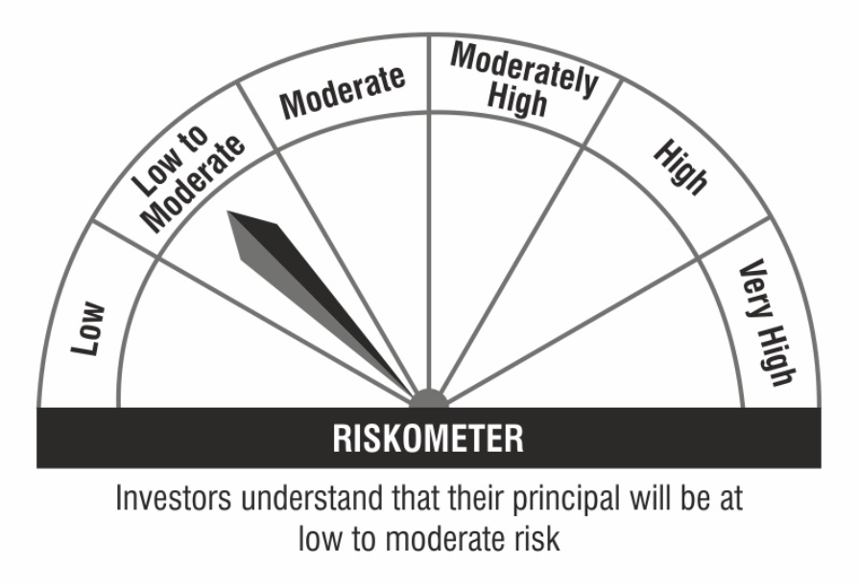

 | Benchmark Riskometer:

